Pivot
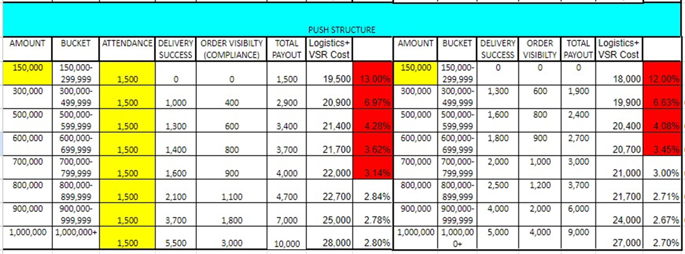
 |  |  |  |  |  |  |  |  |  |  | vsrid | VSRname | shipmentid | Product name
 |  |  |  |  |  |  |  |  |  |  | 5127559 | IMMACULATE MADUWUBA | SUR_H1-240540 | Addmie Seasoning Powder Chicken 8gm X 54
vsrid | VSRname | shipmentid | Channel | RecoClosedDate | Sum of TotalValue | Sum of RecoDeliveryValueIncPayLater | Sum of Attendance | Sum of Order Visibility | Sum of Super Bonus | Sum of Total Vsr Payout | 5127559 | IMMACULATE MADUWUBA | SUR_H13-2784409 | Addmie Chicken 16gm X 10
5127559 | IMMACULATE MADUWUBA | SUR_H1-240540 | Push | 9/20/24 | 1139678 | 809590 | 1000 | 1200 | 2500 | 4700 | 5127559 | IMMACULATE MADUWUBA | SUR_H4-2761759 | Complan Milk Chocolate Flavour 200g X 1
5127559 | IMMACULATE MADUWUBA | SUR_H13-2784409 | Pull & Push | 9/23/24 | 1164543 | 984720 | 1000 | 800 | 1600 | 3400 | 5127559 | IMMACULATE MADUWUBA | SUR_H4-2769268 | Addmie Seasoning Powder Beef 8gm X 54
5127559 | IMMACULATE MADUWUBA | SUR_H4-2761759 | Push | 9/16/24 | 1275470 | 1006720 | 1000 | 4000 | 5000 | 10000 | 5127559 | IMMACULATE MADUWUBA | SUR_H4-2789375 | Dano Cool Cow Sachet Mini Pack 12g X 140
5127559 | IMMACULATE MADUWUBA | SUR_H4-2769268 | Push | 9/17/24 | 1333560 | 946430 | 1000 | 2000 | 4000 | 7000 | 5127559 | IMMACULATE MADUWUBA | SUR_H5-2791887 | Addmie Seasoning Powder Chicken 8gm X 54
5127559 | IMMACULATE MADUWUBA | SUR_H4-2789375 | Push | 9/24/24 | 1320137 | 652358 | 1000 | 900 | 1800 | 3700 | 5127559 | IMMACULATE MADUWUBA | SUR_H5-2799191 | Addmie Seasoning Powder Chicken 8gm X 54
5127559 | IMMACULATE MADUWUBA | SUR_H5-2791887 | Push | 9/27/24 | 1068920 | 619759 | 1000 | 900 | 1800 | 3700 | 5205662 | JEBUTU MARIAM | SUR_H1-239425 | Dangote Sugar 500g X 20
5127559 | IMMACULATE MADUWUBA | SUR_H5-2799191 | Push | 9/30/24 | 2241343 | 1504140 | 1000 | 4000 | 5000 | 10000 | 5205662 | JEBUTU MARIAM | SUR_H2-2769217 | Auntie B Slim Spaghetti 500g X 20
5205662 | JEBUTU MARIAM | SUR_H1-239425 | Push | 9/16/24 | 1201190 | 1003290 | 1000 | 4000 | 5000 | 10000 | 5205662 | JEBUTU MARIAM | SUR_H3-2773117 | Addmie Seasoning Powder Beef 8gm X 54
5205662 | JEBUTU MARIAM | SUR_H2-2769217 | Push | 9/17/24 | 1434310 | 1004680 | 1000 | 4000 | 5000 | 10000 | 5205662 | JEBUTU MARIAM | SUR_H6-2788926 | Cowbell Chocolate Sachet 22g X 10 X 20
5205662 | JEBUTU MARIAM | SUR_H3-2773117 | Push | 9/19/24 | 1028570 | 1003270 | 1000 | 4000 | 5000 | 10000 | 5205662 | JEBUTU MARIAM | SUR_H7-2783292 | Addmie Chicken 16gm X 10
5205662 | JEBUTU MARIAM | SUR_H6-2788926 | Push | 9/25/24 | 1210105 | 1042875 | 1000 | 4000 | 5000 | 10000 | 5256821 | ALAO SILIFAT | SUR_H2-2773114 | Addmie Chicken 16gm X 10
5205662 | JEBUTU MARIAM | SUR_H7-2783292 | Push | 9/23/24 | 2277989 | 1379770 | 1000 | 4000 | 5000 | 10000 | 5256821 | ALAO SILIFAT | SUR_H3-2769203 | Addmie Seasoning Powder Chicken 8gm X 54
5256821 | ALAO SILIFAT | SUR_H2-2773114 | Push | 9/23/24 | 1305020 | 1036213 | 1000 | 4000 | 5000 | 10000 | 5256821 | ALAO SILIFAT | SUR_H4-2761669 | Dano Cool Cow Sachet Mini Pack 12g X 140
5256821 | ALAO SILIFAT | SUR_H3-2769203 | Push | 9/17/24 | 1672133 | 730560 | 1000 | 1000 | 2000 | 4000 | 5256821 | ALAO SILIFAT | SUR_H4-2789358 | Amstel Malta 24 X 1 33cl Full Can Tray
5256821 | ALAO SILIFAT | SUR_H4-2761669 | Push | 9/16/24 | 1618790 | 1321693 | 1000 | 4000 | 5000 | 10000 | 5256821 | ALAO SILIFAT | SUR_H6-2784266 | Addmie Seasoning Powder Chicken 8gm X 54
5256821 | ALAO SILIFAT | SUR_H4-2789358 | Push | 9/26/24 | 1381224 | 749351 | 1000 | 1000 | 2000 | 4000 | 5332866 | RASAQ IBRAHIM | SUR_H2-241792 | Dano Cool Cow Refill 320g X 12 ( + 32g Promo)
5256821 | ALAO SILIFAT | SUR_H6-2784266 | Push | 9/23/24 | 1780045 | 1051615 | 1000 | 4000 | 5000 | 10000 | 5332866 | RASAQ IBRAHIM | SUR_H3-2764011 | 0
5332866 | RASAQ IBRAHIM | SUR_H2-241792 | Push | 9/25/24 | 1065010 | 713480 | 1000 | 1000 | 2000 | 4000 | 5332866 | RASAQ IBRAHIM | SUR_H4-2774311 | Cowbell Chocolate Sachet 22g X 10 X 20
5332866 | RASAQ IBRAHIM | SUR_H3-2764011 | Push | 9/16/24 | 1893090 | 1148790 | 1000 | 4000 | 5000 | 10000 | 5332866 | RASAQ IBRAHIM | SUR_H4-2799333 | Dano Cool Cow Refill 750g X 12
5332866 | RASAQ IBRAHIM | SUR_H4-2774311 | Push | 9/20/24 | 1547250 | 1026278 | 1000 | 4000 | 5000 | 10000
5332866 | RASAQ IBRAHIM | SUR_H4-2799333 | Push | 9/30/24 | 1385015 | 1027050 | 1000 | 4000 | 5000 | 10000
Grand Total |  |  |  |  | 30343392 | 20762632 | 21000 | 60800 | 82700 | 164500

